4PB_11
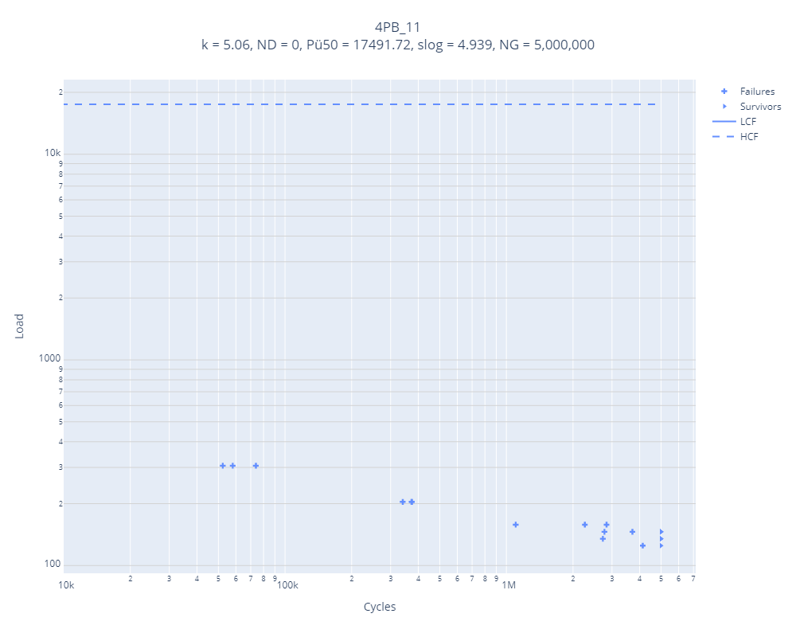
Sl. | load | censor | Jurojin |  | Error | Pylife
1 | 135 | 1 | k | 5 |  | k | 5.06
2 | 125 | 1 | ND | 2825790.755 |  | ND | 0
3 | 125 | 0 | Pü50 | 142 | 12218% | Pü50 | 17491.72
4 | 135 | 0 | slog | 0.033 |  | slog | 4.939
5 | 146 | 1
6 | 135 | 0
7 | 146 | 0
8 | 158 | 1
9 | 146 | 0
10 | 158 | 1
11 | 146 | 1
12 | 135 | 0
13 | 146 | 0
14 | 158 | 1
15 | 146 | 0
16 | 204 | 1
17 | 204 | 1
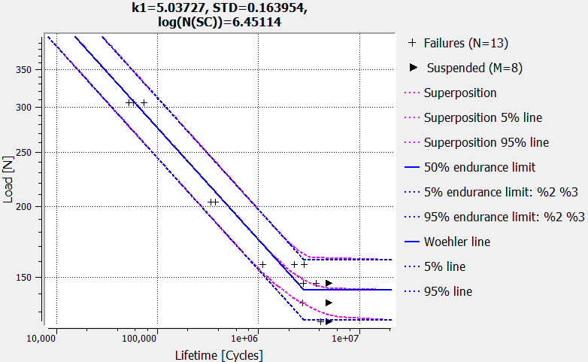
18 | 306 | 1
19 | 306 | 1
20 | 306 | 1
21 | 204 | 1

4PB_15
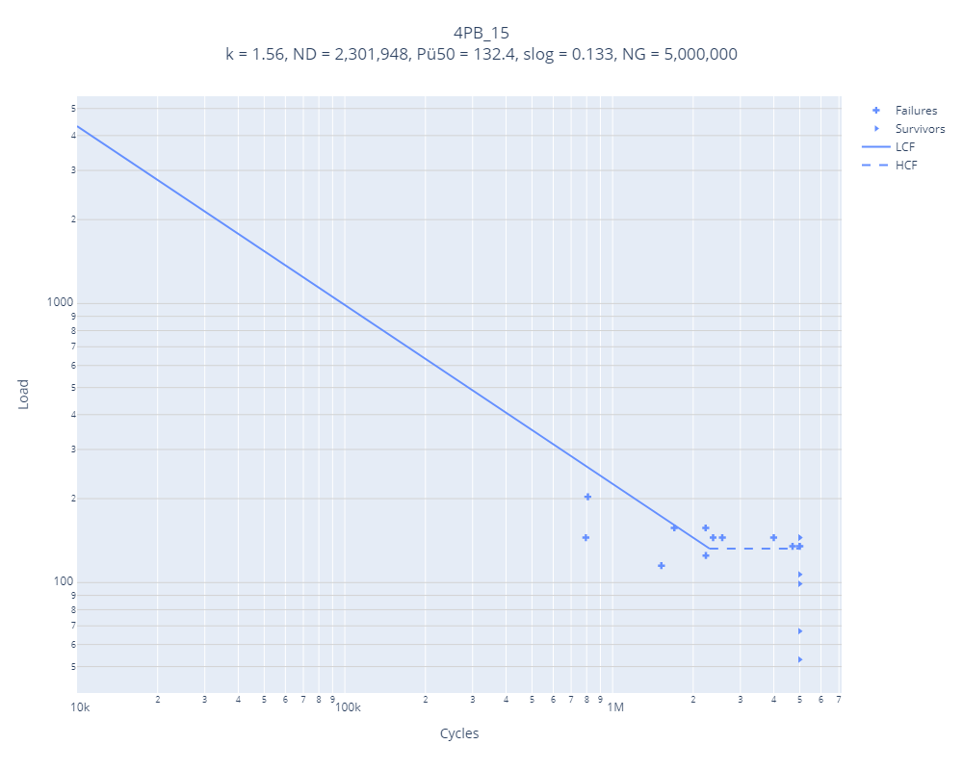
Sl. | load | censor | Jurojin |  | Error | Pylife
1 | 53 | 0 | k | 3.1 |  | k | 1.56
2 | 67 | 0 | ND | 16371934.56 |  | ND | 2301948
3 | 99 | 0 | Pü50 | 84 | 58% | Pü50 | 132.4
4 | 145 | 1 | slog | 0.099 |  | slog | 0.133
5 | 135 | 1
6 | 145 | 0
7 | 157 | 1
8 | 145 | 0
9 | 135 | 0
10 | 145 | 1
11 | 135 | 0
12 | 145 | 1
13 | 157 | 1
14 | 145 | 1
15 | 135 | 1
16 | 125 | 1
17 | 115 | 1
18 | 107 | 0
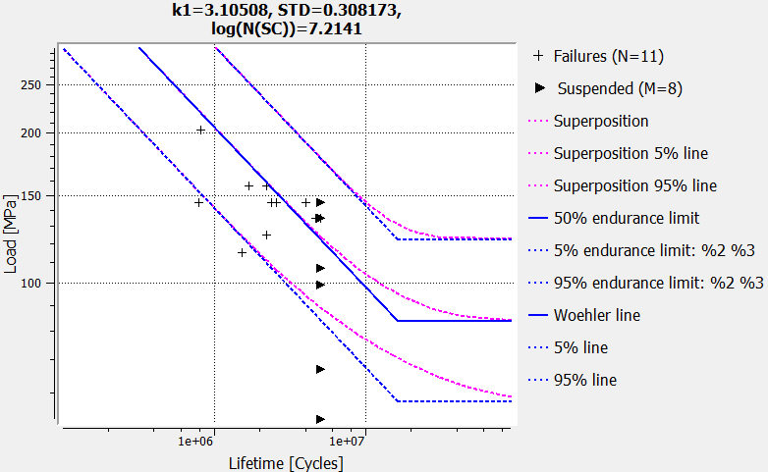
19 | 203 | 1

4PB_1
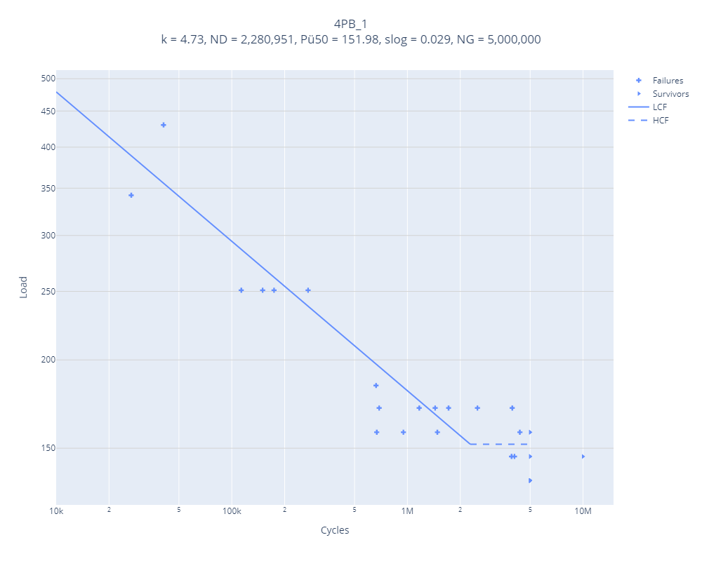
Sl. | load | censor | Jurojin |  | Error | Pylife
1 | 430 | 1 | k | 4.90 |  | k | 4.73
2 | 342 | 1 | ND | 2,571,817 |  | ND | 2280951
3 | 251 | 1 | Pü50 | 298 | -49% | Pü50 | 151.98
4 | 184 | 1 | slog | 0.049 |  | slog | 0.029
5 | 146 | 0
6 | 171 | 1
7 | 158 | 1
8 | 158 | 0
9 | 158 | 1
10 | 146 | 1
11 | 135 | 0
12 | 146 | 1
13 | 135 | 0
14 | 146 | 0
15 | 251 | 1
16 | 251 | 1
17 | 251 | 1
18 | 158 | 1
19 | 146 | 0
20 | 158 | 0
21 | 171 | 1
22 | 158 | 1
23 | 171 | 1
24 | 135 | 0
25 | 135 | 0
26 | 135 | 0
27 | 135 | 0
28 | 171 | 1
29 | 171 | 1
30 | 171 | 1

4PB_7
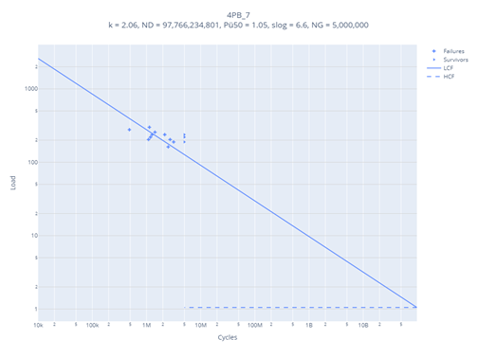
Sl. | loads | cycles | censor | Jurojin |  | Error | Pylife
1 | 300 | 1129924 | 1 | k | 1.5 |  | k | 2.06
2 | 278 | 482604 | 1 | ND | 2117288.3115 |  | ND | 97766234801
3 | 238 | 5000276 | 0 | Pü50 | 182 | -99% | Pü50 | 1.05
4 | 257 | 1430540 | 1 | slog | 0.129 |  | slog | 6.6
5 | 220 | 5000291 | 0
6 | 238 | 2164965 | 1
7 | 220 | 5000218 | 0
8 | 238 | 1265822 | 1
9 | 220 | 1185142 | 1
10 | 204 | 2727084 | 1
11 | 189 | 5000335 | 0
12 | 204 | 1089412 | 1
13 | 189 | 3166220 | 1
14 | 162 | 2516731 | 1
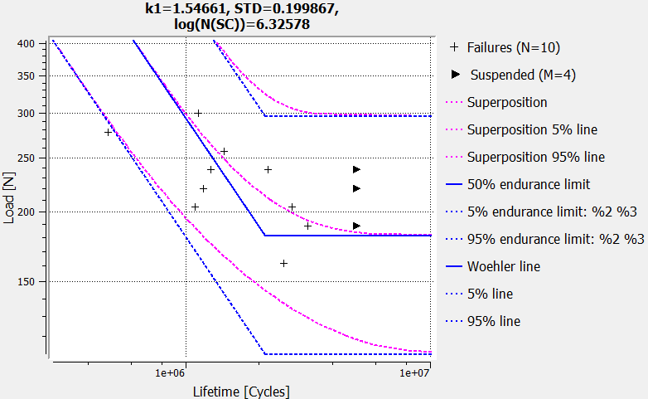

4PB_7
1 | 300 | 3 | 238
2 | 278 | 5 | 220
4 | 257 | 7 | 220
6 | 238 | 11 | 189
8 | 238
9 | 220
10 | 204
12 | 204
13 | 189
14 | 162

LH_Intake
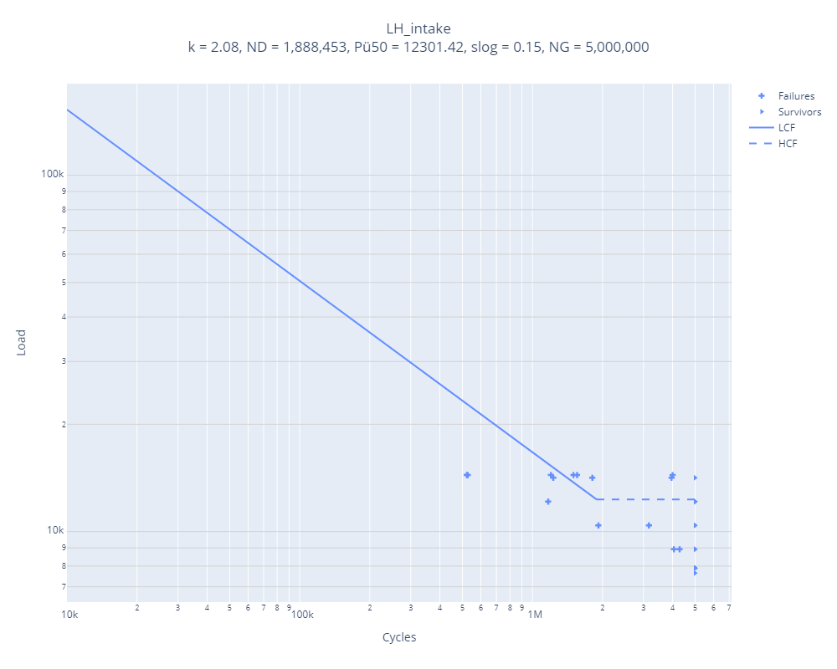
Sl. | load | censor | Jurojin |  | Error | Pylife
1 | 10406 | 0 | k | 2.52 |  | k | 2.08
2 | 12138 | 1 | ND | 3649136 |  | ND | 1888453
3 | 10406 | 1 | Pü50 | 10239 | 20% | Pü50 | 12301.42
4 | 8921 | 0 | slog | 0.118 |  | slog | 0.15
5 | 10406 | 1
LH_Intake
 | Failures |  | Runouts
2 | 12138 | 1 | 7899
3 | 10406 | 4 | 7899
5 | 10406 | 6 | 7899
9 | 14158 | 7 | 7899
11 | 14158 | 8 | 7899
13 | 14158 | 10 | 7899
16 | 8921 | 12 | 7899
17 | 8921 | 14 | 7899
19 | 14408 | 15
20 | 14408 | 18
21 | 14408 | 24
22 | 14408 | 26
23 | 14408 | 27
25 | 14408 | 28
 |  | 29
 |  | 30
 |  | 31
 |  | 32
 |  | 33
6 | 8921 | 0
7 | 10406 | 0
8 | 12138 | 0
9 | 14158 | 1
10 | 12138 | 0
11 | 14158 | 1
12 | 12138 | 0
13 | 14158 | 1
14 | 12138 | 0
15 | 14158 | 0
16 | 8921 | 1
17 | 8921 | 1
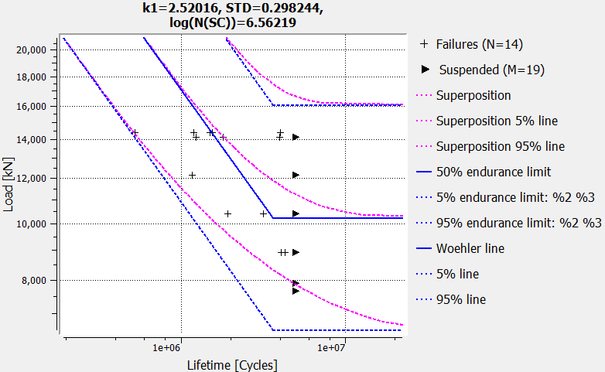
18 | 7649 | 0
19 | 14408 | 1
20 | 14408 | 1
21 | 14408 | 1
22 | 14408 | 1
23 | 14408 | 1
24 | 7899 | 0
25 | 14408 | 1
26 | 7899 | 0
27 | 7899 | 0
28 | 7899 | 0
29 | 7899 | 0
30 | 7899 | 0
31 | 7899 | 0
32 | 7899 | 0
33 | 7899 | 0

